Assignment
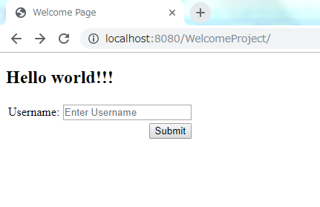
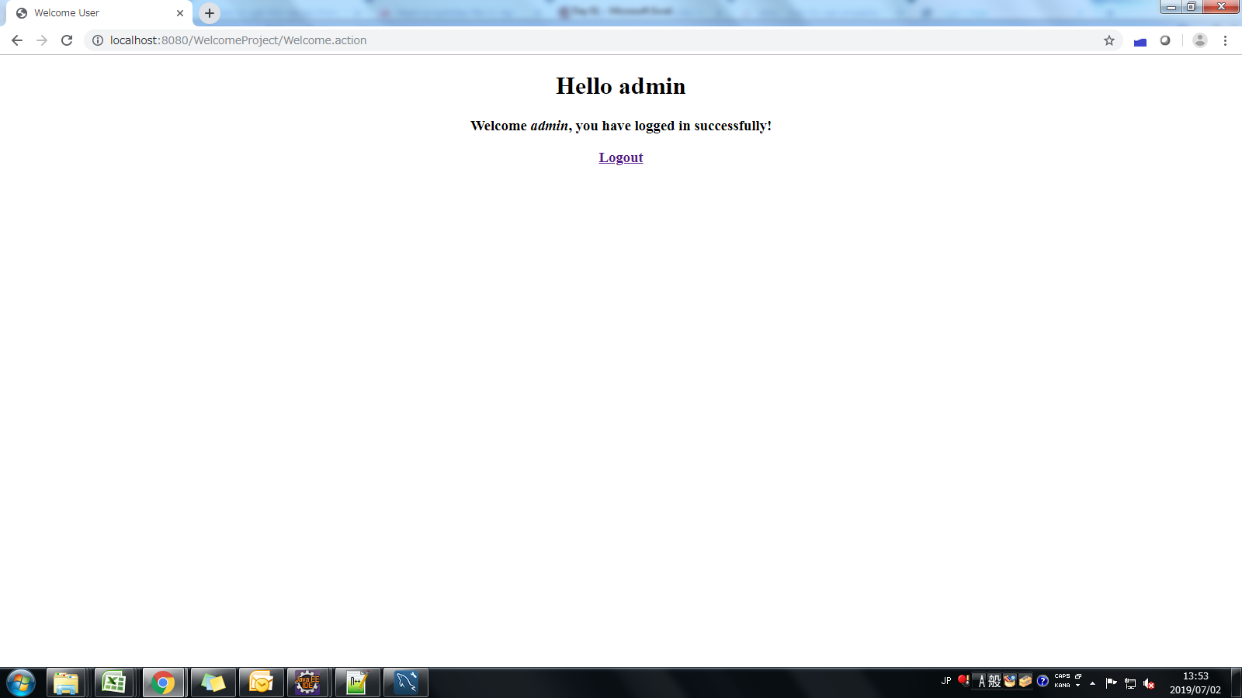
Struts 2 Welome Application
1. Class WelcomeAction.java
Properties : name
Method execute
Display a jsp page with a welcome message with name

2. Create a JSP page with the url to call the above action.
Use this page as the default page for your application. (ex:- index.jsp) i.e welcome file page in web.xml

